Sheet1
 | Document No. |  | Issue No. | Issue Date |  |  | Review and Replace Date |  | Authorised By
 | GFF523MC |  | 1 | 11.07.2025 |  |  | New doc
 | Document Title |  | Thai Green Chicken Curry with Fragrant Rice 400g
 |  |  |  |  |  |  |  |  | Magda Shah
Document amendments reason for change | New doc |  |  | Page 1 of 1 |  | Previous Issue Date |  | New doc | Uncontrolled copy unless signed original

FCTGJR-R4TDA |  | GAZEBO CUISINE-Danora |  | Thai Green Chicken Curry with Fragrant Rice 400g
STEP 1 |  |  |  |  | STEP 2
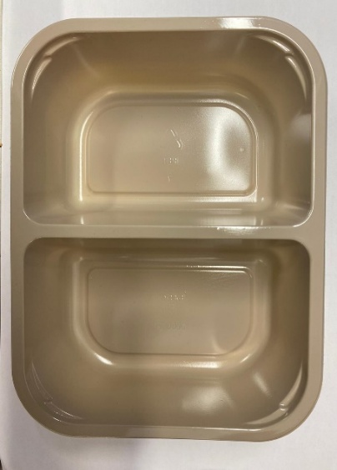 |  |  |  |  | 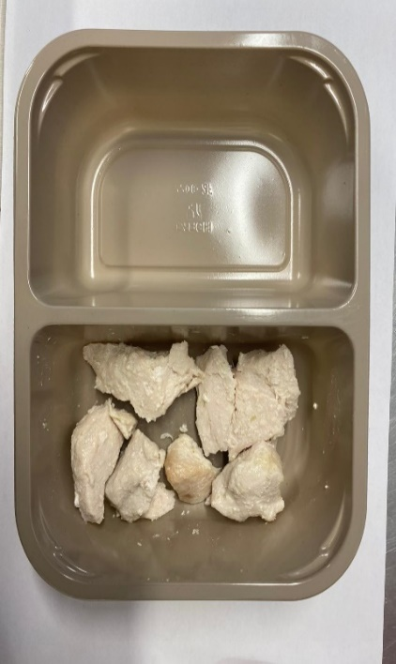
Chicken to be brought into H/R on day of packing

PACK DAY + 1 YEAR
NON-MAP PACK

Tray: EVOLVE CPET 2200-2F(PKRHP001-10) |  |  |  |  | 20-25mm Steam Cooked Diced Chicken (RMJAN001-03): 60g

Film: K peel 7G+25A/f- 275mm (275 mmX1000)(PKKMP001-03)

STEP 3 |  |  |  |  | STEP 4
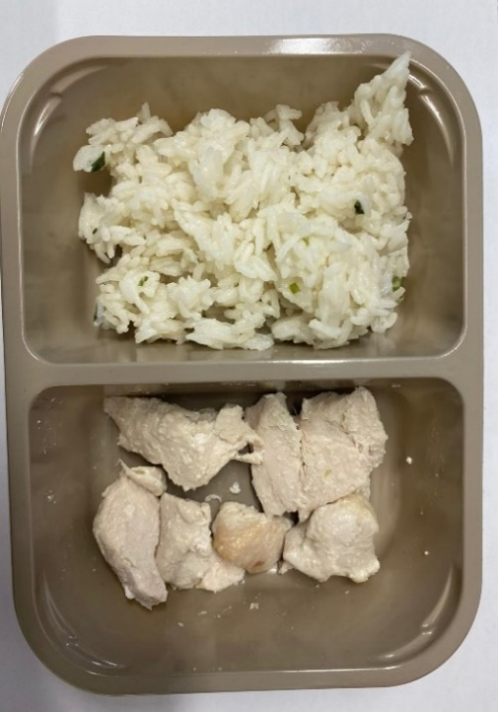 |  |  |  |  | 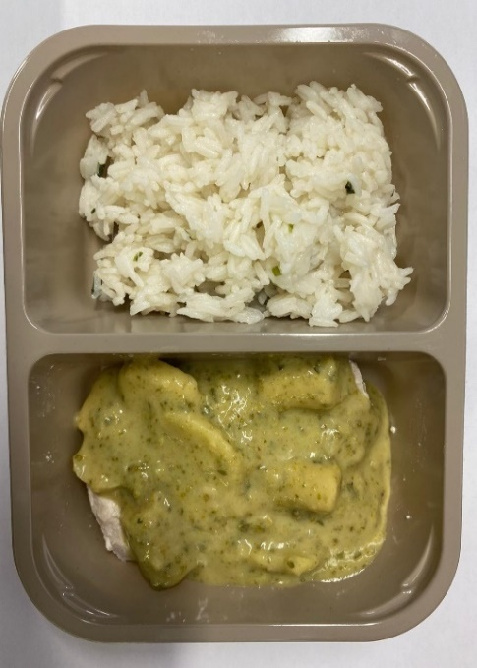

Fragrant Rice (GFF448R): 180g |  |  |  |  | Thai Green Curry Sauce (GFF148R): 160g
 |  |  |  |  | TOTAL WEIGHT: 400G
ALLERGY ALERT: FISH, SESAME

